V2 notes
Version 2 updates (mostly for my own reference)
1. Reformulated transfer constraints (fixed issue with taking hits & fixed method for determining # of FT)
Requirement
suppose FT-TR can have values -2, -1, 0, or 1
if FT-TR= -2, -1, or 0, then POS = 0
if FT-TR = 1, then POS = 1
Formulation
the requirement is equivalent to POS = Max(0, [FT-TR])
this relationship can be expressed using the following set of variables and constraints:
Binary variables: d1 and d2, for each team except Team 1.
Constraints:
0 <= POS <=1 [implicitly binary, as d1 and d2 are binary and [FT-TR] is integer]
-2 <= [FT-TR] <= 1, that is [FT-TR LB] <= [FT-TR] <= [FT-TR UB]
POS >= 0, duplicate constraint, representing the first term of Max(0,[FT-TR])
POS >= [FT-TR], second term of Max(0,[FT-TR])
POS <= 0 + ([FT-TR UB]-0)*(1 - d1), which simplifies to POS <= 1 - d1
POS <= [FT-TR] + (1 - [FT-TR LB])*(1 - d2)
d1 + d2 = 1
based on theory from section 2.3 maximum values, "MIP formulations and linearizations" www.fico.com
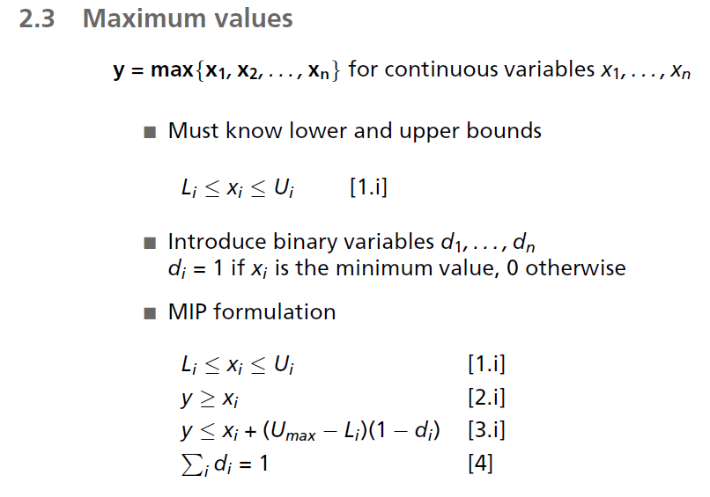

 |  | old constraints
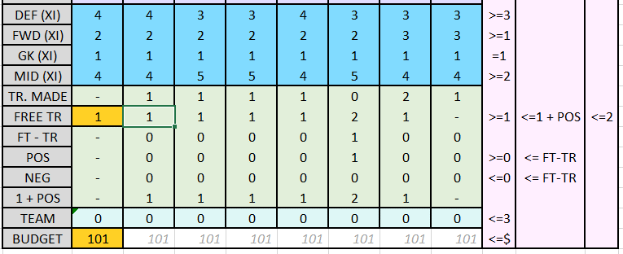

2. added one additional input: max # of possible hits
default number is -1 representing max of 1 possible hit taken per week (emphasis on "possible" -- this does not force the solver to take any hits, it merely constrains the solver in such a way that helps the solver return a solution quicker).

3. deleted L2410:L3450 >= M2410:M3450 constraint
not a necessary constraint (did not change column M, for ref, but could be deleted)

4. fixed minimum XI mids
P16:V16 >=2, not 3

5. added T17:V17=0
to eliminate useless transfers during the final weeks

 | -

